Sheet1
DATE | INV NO. | DESCRIPTIONS | AMOUNT | BILLS | PRICE | TOTAL | STATUS
8-Dec-2025 | INV/PERMAQ/25/12/0251 | CORONA BEER | 24 | 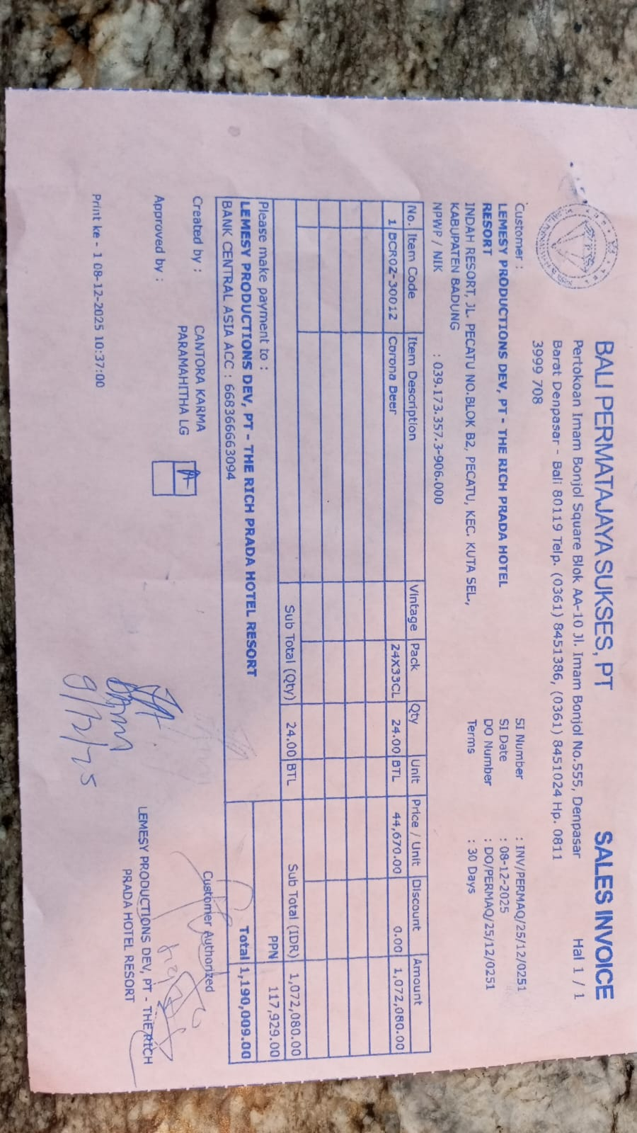 | IDR 44,670 | IDR 1,072,080
SUB TOTAL |  |  | 24 |  | PPN | Rp117,929
TOTAL |  |  |  | Rp1,190,009
23-Dec-2026 | INV/PERMAQ/25/12/0801 | CORONA BEER | 24 | 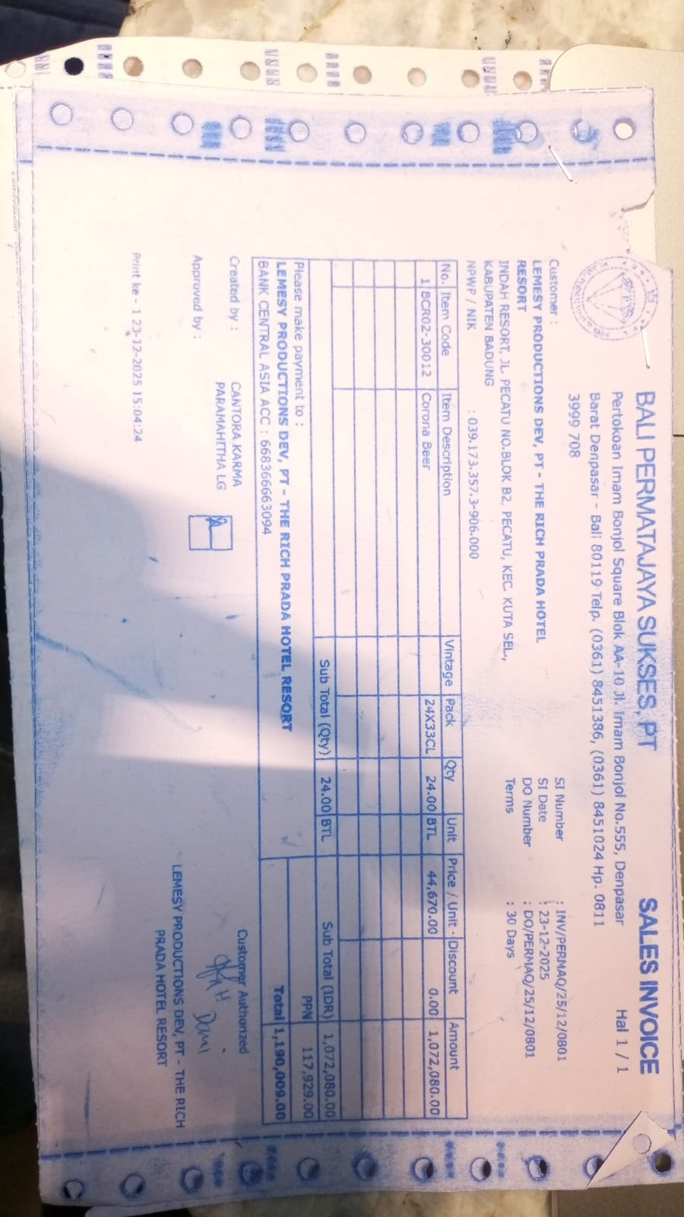 | IDR 44,670 | IDR 1,072,080
SUB TOTAL |  |  | 24 |  | PPN | Rp117,929
TOTAL |  |  |  | Rp1,190,009
 |  |  |  |  |  | IDR -
SUB TOTAL |  |  |  |  | PPN | Rp-
TOTAL |  |  |  | Rp-
 |  |  |  |  |  | IDR -
SUB TOTAL |  |  |  |  | PPN | Rp-
TOTAL |  |  |  | Rp-

SUB TOTAL |  |  |  |  | PPN | Rp-
TOTAL |  |  |  | Rp-
GRAND TOTAL |  |  |  | Rp2,380,018

